Sheet1
size / count | 50 | 100 | 250 | 500 | 1000 | 2000 | image_size | image_count_per_category | epochs | accuracy
32 | 63% | 61% | 66% | 70% | 74% | 76% | 32 | 50 | 50 | 63%
64 | 65% | 67% | 71% | 77% | 80% | 82% | 32 | 100 | 50 | 61%
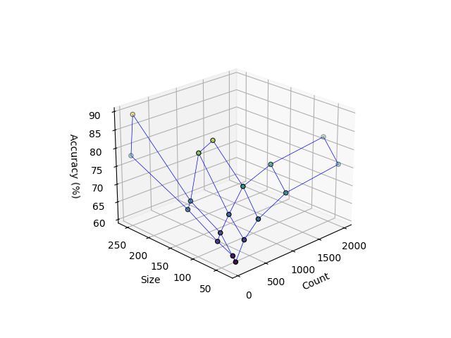
128 | 70% | 72% | 84% | 86% |  |  | 32 | 250 | 50 | 66%
256 | 78% | 89% |  |  |  |  | 32 | 500 | 50 | 70%
 |  |  |  |  |  |  | 32 | 1000 | 50 | 74%
 |  |  |  |  |  |  | 32 | 2000 | 50 | 76%

 |  |  |  |  |  |  | image_size | image_count_per_category | epochs | accuracy
 |  |  |  |  |  |  | 64 | 50 | 50 | 65%
 |  |  |  |  |  |  | 64 | 100 | 50 | 67%
 |  |  |  |  |  |  | 64 | 250 | 50 | 71%
 |  |  |  |  |  |  | 64 | 500 | 50 | 77%
 |  |  |  |  |  |  | 64 | 1000 | 50 | 80%
 |  |  |  |  |  |  | 64 | 2000 | 50 | 82%

 |  |  |  |  |  |  | image_size | image_count_per_category | epochs | accuracy
 |  |  |  |  |  |  | 128 | 50 | 50 | 70%
 |  |  |  |  |  |  | 128 | 100 | 50 | 72%
 |  |  |  |  |  |  | 128 | 250 | 50 | 84%
 |  |  |  |  |  |  | 128 | 500 | 50 | 86%
 |  |  |  |  |  |  | 128 | 1000 | 50
 |  |  |  |  |  |  | 128 | 2000 | 50

 |  |  |  |  |  |  | image_size | image_count_per_category | epochs | accuracy
 |  |  |  |  |  |  | 256 | 50 | 50 | 78%
 |  |  |  |  |  |  | 256 | 100 | 50 | 89%
 |  |  |  |  |  |  | 256 | 250 | 50
 |  |  |  |  |  |  | 256 | 500 | 50
 |  |  |  |  |  |  | 256 | 1000 | 50
 |  |  |  |  |  |  | 256 | 2000 | 50

